images
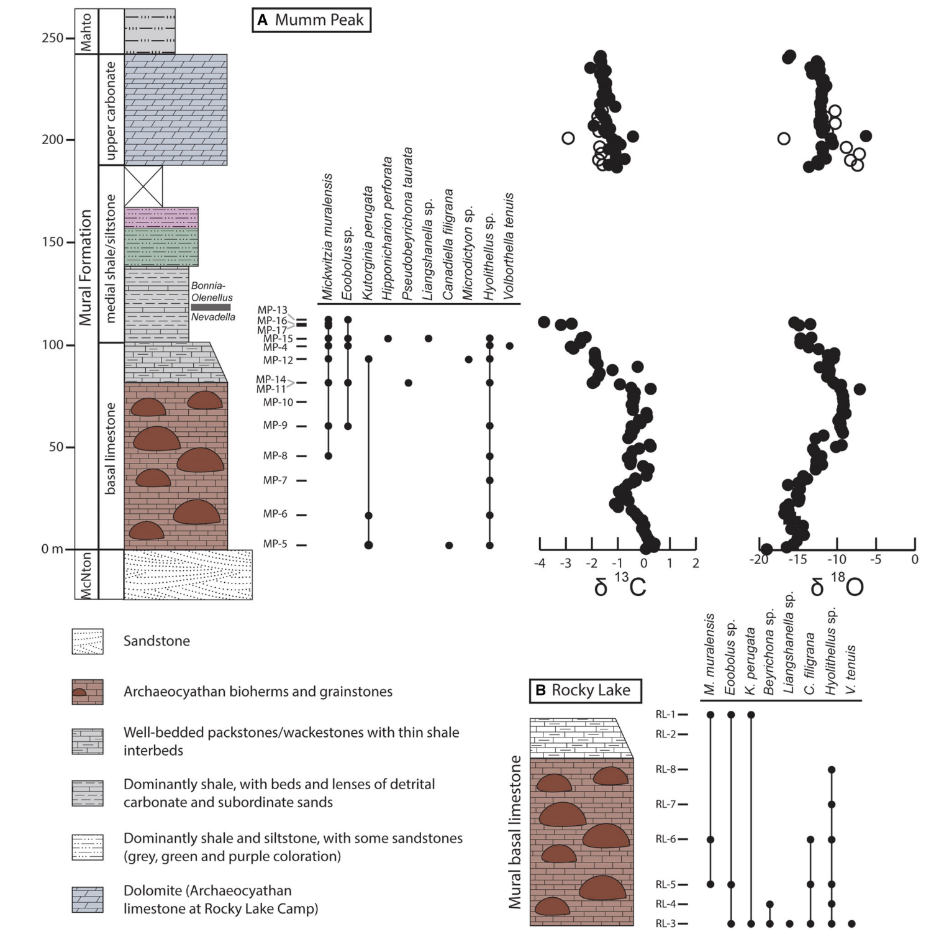
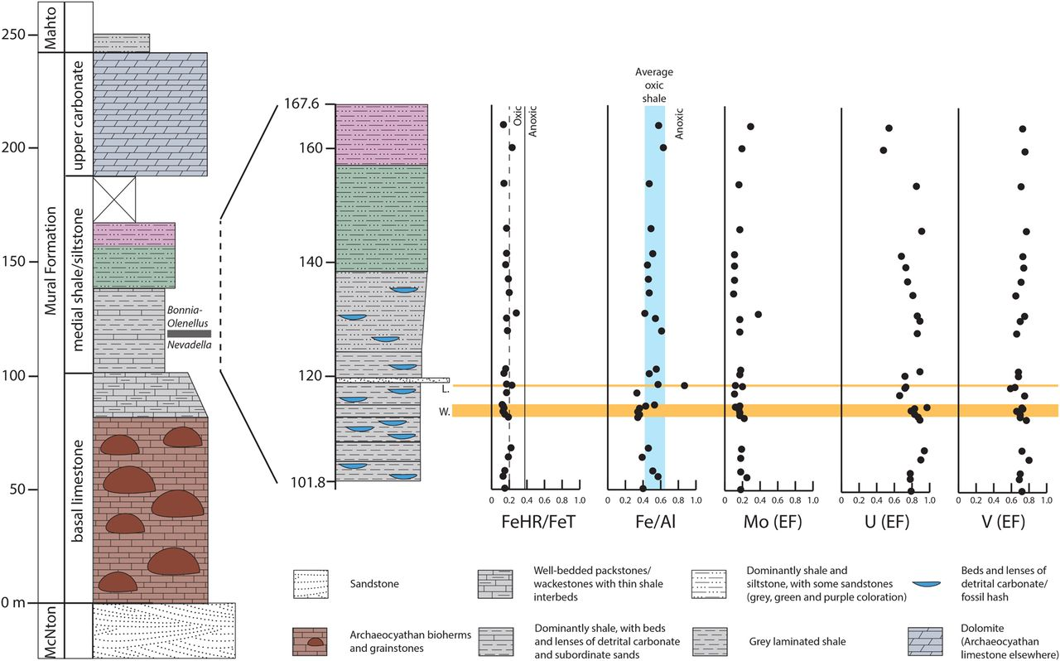
col_ids | image_name | ref_id | page_number | fig_number | description | comments
S1409 | mumm_peak_column | sperling_2018 | 7 | 3 | Lithostratigraphy and sedimentary geochemistry of the Mural Formation at Mumm Peak. Total measured thickness of the Formation is very similar to that of ref. [59], but the heights of internal units differ slightly. Nevadella–Bonnia/Olenellus boundary is resolved to a 3.85 m interval between 117.3 and 121.15 m. Inset shows expanded stratigraphy of medial shale/siltstone. Geochemical data from left to right: (1) the iron speciation proxy (FeHR/FeT). Values above the vertical 0.38 line probably represent deposition under an anoxic water column, based on calibrations from the modern ocean [25]. Oxic sediment samples in the modern fall below this line, but anoxic samples can too, for instance, during turbiditic sedimentation. The dashed 0.2 line represents the lowest modern value for an anoxic turbiditic sediment [27]. FeP/FeHR values not graphed as all samples show an oxic signature; the average is 0.29 ± 0.15 (Supplementary Table S1). (2) Fe/Al ratio, with shaded blue bar representing the range of values seen in ancient oxic shale [72]. Values above this bar would indicate iron enrichment due to an anoxic water column. (3) Molybdenum EF. (4) Uranium EF. (5) Vanadium EF. For these samples, an EF of 1 represents an aluminum-normalized value equal to upper continental crust [30]. Values above 1 indicate enrichment, although recognition of muted enrichments/depletions can be difﬁcult due to variations in detrital input [41]. Enrichment would be expected under an anoxic water column [28], yet all of these samples are unenriched. Abbreviations: McNton., McNaughton Formation; W., ‘waterfall quarry’ level from 112.8 to 114.9 m; L., ‘Lingulosacculus quarry’ from 118.2 to 118.6 m. | Approx. unit boundaries extracted from this figure
S1409; S1412 | composite_column | skovsted_2020 | 4 | 2 | Measured stratigraphic sections through the Mural Formation. A, section at Mumm Peak (MP), modiﬁed from Sperling et al. (2018). B, section at Rocky Lake (RL). For both sections sampled fossil horizons are indicated, including stratigraphic ranges of selected fossils as well as stable carbon and oxygen isotope data. All isotope data from the basal limestone are from Mumm Peak. Carbon and oxygen isotope data from heavily dolomitized samples in the upper carbonate at Mumm Peak are shown as open circles. Solid circles represent limestone samples from the Rocky Lake camp, with samples correlated based on a datum at the base of the upper carbonate.

